Sheet1
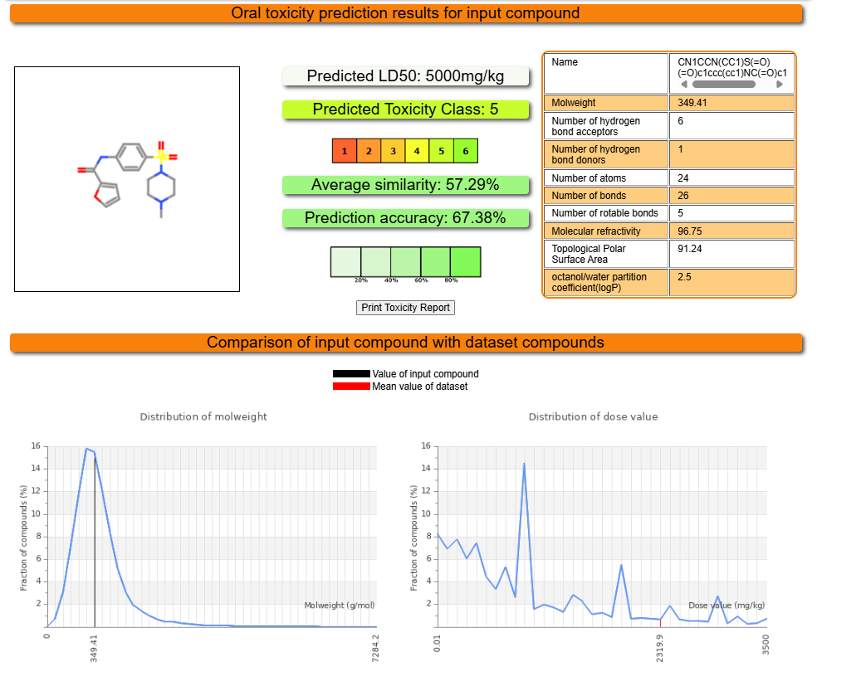
ProTox-3.0 - Prediction of TOXicity of chemicals
Classification | Target | Shorthand | Prediction | Probability
Organ toxicity | Hepatotoxicity | dili | Inactive | 0.64
Toxicity end points | Carcinogenicity | carcino | Inactive | 0.57
Toxicity end points | Immunotoxicity | immuno | Inactive | 0.99
Toxicity end points | Mutagenicity | mutagen | Inactive | 0.80
Toxicity end points | Cytotoxicity | cyto | Inactive | 0.61
Metabolism | Cytochrome CYP1A2 | CYP1A2 | Inactive | 0.92
Metabolism | Cytochrome CYP2C19 | CYP2C19 | Inactive | 0.77
Metabolism | Cytochrome CYP2C9 | CYP2C9 | Inactive | 0.53
Metabolism | Cytochrome CYP2D6 | CYP2D6 | Inactive | 0.67
Metabolism | Cytochrome CYP3A4 | CYP3A4 | Inactive | 0.59
Metabolism | Cytochrome CYP2E1 | CYP2E1 | Inactive | 1

